DATA
CONTRACT | LAKDHANAVI LIMITED
CONTRACT NUMBER | CT-2306

Capacity | 500 |  | Cooling duct | Insulation
HV | 6600 |  | 0 | Paper
LV | 415 |  | 0.33 | Strip
 |  |  | 0.67
Core C-C | 320 | 160 | 1
Core WH | 483

Step 1 Width | 160 | 31329 |  |  | LV Rad Build - Mean | 27.33
Step 1 Build | 102
Step 2 Width | 150 |  |  |  | HV Rad Build - Mean | 39.07
Step 2 Build | 56
Step 3 Width | 110
Step 3 Build | 60 |  |  |  | CD Variable 1 | 0.33
Step 4 Width | 90 |  |  |  | CD Variable 2 | 0.67
Step 4 Build | 0.1 |  |  |  | CD Variable 3 | 1
Step 5 Width | 0 |  |  |  | CD Variable 4 | 0.33
Step 5 Build HV Side | 8
Step 5 Build LV Side | 6

Value or 0
Strap Sup Ins -Width | 50
Strap Sup Ins -Build | 0 |  |  |  | Lead Variable | 0
Clear SSI to In Lead/ Clear Lead to core | 6
Clear LV to Core Leg | 1.5

Lead Width | 50
Lead Thickness | 6 |  |  |  | CD Variable 5 | 0.5
 |  |  |  |  | CD Variable 6 | 0
LV Rad Build - HV | 30.33 |  |  |  | CD Variable 7 | 0
LV Rad Build - Leg | 25.83 |  |  |  | CD Variable 8 | 0
Cooling Duct - 0,0.33, 0.67, 1
LV Rad Build - LV | 25.83
Cooling Duct 1 | 1
Cooling Duct - 0,0.33, 0.67, 1
Cooling Duct 2 | 0.33

Earth shield = 1 or 0
HV - LV Elec Span | 8
Earth Shield | 0

HV Rad Build - HV | 39.07
HV Rad Build - Leg | 39.07
HV Rad Build - LV | 39.07
Cooling Duct 1 | 0
Cooling Duct - 0.33, 0.67, 1
Cooling Duct 2 | 0

Coil Length | 465
LV Elec Length | 425
Cond Mec/Elec Lgth | 411

Clamp Width | 180
Clamp Depth | 60

Min. Gap between busbars - 1 | 46
Min. Gap between busbars - 2 | 46

Tapping Board C-C | 354
FROM CORE DRAWING
Core actual long side ID | 252.5
LV Foil thk. | 0.85
LV Foil qty. | 1
Conductor weight | 183.46
Insulation weight | 5.72
Resistance (Coil) | 0.001104
TURNS PER COIL | 24

Conductor size | 3.05
Conductor qty | 2
HV Conductor Wt...: | 284.37
Lay/Trn/Duc Wts...: | 4.58
Resistance (Coil) AT NOMINAL TAPPING | 0.9962
# Lay: Max/Min tpl: | 64
# Lay: Max/Min tpl: | 54
# Lay: Max/Min tpl: | 11
Turns Tot. | 694
Turns Nominal. | 661
Layer/Turn Ins Bd.: | 0.25
Layer/Turn Ins Bd.: | 0.097
Average LayIns Tk.: | 0.25
Insulation type <Paper/Strip> | Paper
Insulation thickness for production process
For 2 layers from inner and outer surface of coil
Practical start insulation | 0.15
Practical end insulation | 1.425
GUARANTEED NLL | 475
FLUX DENSITY | 1.43

Vector Group | Dyn5
Above the nominal | 2
Below the nominal | 2
Step | 2.5 | %

LV
INNER TUBE INS. |  |  |  |  | COOLING DUCT
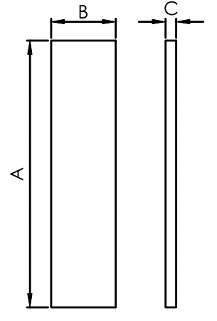 |  |  |  |  | 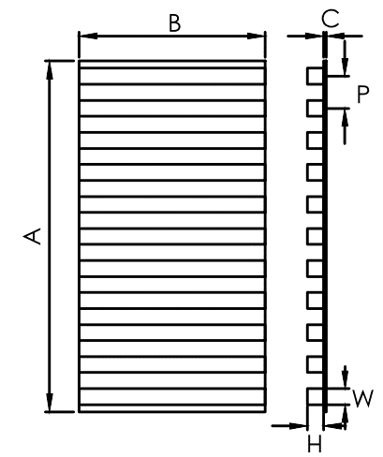

A = INNER PERIMETER + 20
B = TOTAL HEIGHT OF THE COIL - 2 C → (5-1000)kVA = 1 / (1000-2500)kVA = 2
(IF('sh1'!C3>1000,"2","1"))
A = MEAN TURN LENGTH OF LV + 40 (ONLY WHEN 1 CD IS USED) B = TOTAL HEIGHT OF THE COIL - 2 MAX (C+H) = 4.5

A | B | C | QTY | MATERIAL | A | B | C | P | H | W | QTY | MATERIAL
741 | 463 | 1 | 3 | PB | 812.7470225 | 463 | 0.25 | 19 | 4.25 | 6 | 1 | PB
 |  |  |  |  | 287.47344021 | 463 | 0.25 | 19 | 4.25 | 6 | 1 | PB

DDP SUPPORT INS.

A = TOTAL COIL HEIGHT -2 B = LV LEAD WIDTH + 15 C → (5-1000)kVA = 1 / (1000-5000)kVA = 2
 |  |  |  |  |  |  |  |  |  |  |  |  | LV 1 | OD | 252.5
 |  |  |  |  |  |  |  |  |  |  |  |  |  | RAD BLDS H | 30.33
 |  |  |  |  |  |  |  |  |  |  |  |  |  | RAD BLDS H | 30.33
 |  |  |  |  |  |  |  |  |  |  |  |  |  | INNER TUBE | 3
 |  |  |  |  |  |  |  |  |  |  |  |  |  | LEAD THK. | 12
 |  |  |  |  |  |  |  |  |  |  |  |  |  | DDP SUPPORT | 1
 |  |  |  |  |  |  |  |  |  |  |  |  |  | 0.15
 |  |  |  |  |  |  |  |  |  |  |  |  |  | LEAD INS | 1
A | B | C | QTY | MATERIAL |  |  |  |  |  |  |  |  |  | 0.15
463 | 65 | 1 | 3 | PB |  |  |  |  |  |  |  |  |  | AIR CLEAR

 |  |  |  |  |  |  |  |  |  |  |  |  |  |  | 330.2

INBETWEEN LEADS INS.

A = TOTAL COIL HEIGHT + LV LEAD WIDTH*2 B = LV LEAD WIDTH + 20 C = 1

A | B | C | QTY | MATERIAL
565 | 70 | 1 | 3 | PB

HV
INS. AT HV-START |  |  |  |  | LEAD SUPPORT STICK |  |  |  |  |  |  | COOLING DUCT
 |  |  |  |  | 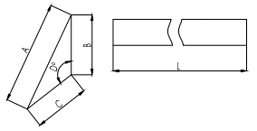
L = TOTAL COIL HEIGHT
IF LEAD 100x10,
B = 10, A = 35, C = 30, D = 112
IF LEAD 100x20,
B = 20, A = 56, C = 44, D = 117
A = TOTAL COIL HEIGHT + 40 B = 150 C = 2
A = MEAN TURN LENGTH OF HV + 60 (ONLY WHEN 1 CD IS USED) B = TOTAL HEIGHT OF THE COIL - 2 MAX (C+H) = 4.5

A | B | C | QTY | MATERIAL | A | B | C | L | D | QTY | MATERIAL | A | B | C | P | H | W | QTY | MATERIAL | NO. LAYERS
505 | 150 | 2 | 3 | PB | 0 | 0 | 0 | 0 | 0 | 0 | WOOD | 0 | 463 | 0.25 | 19 | 4.25 | 6 | 0 | PB | 14 | 6 | 7
 |  |  |  |  |  |  |  |  |  |  |  | 0 | 0 | 0 | 0 | 0 | 0 | 0 | 0 | 14 | 10 | 11

INS. AT HV-TAPPING |  |  |  |  |  |  |  |  |  |  |  | HV-LV BARRIER
 |  |  |  |  |  |  |  |  |  |  |  | 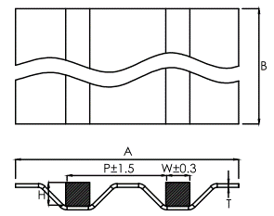

A = TOTAL COIL HEIGHT + 40 B = 150 C = 1
A = MEAN TURN LENGTH OF WINDING + 50 B = TOTAL HEIGHT OF THE COIL - 2 MAX (T+H) = 18 B TYPE CORRUGATED BOARD
**T & H MANUALLY ENTER

 |  |  |  |  |  |  |  |  |  |  | 1
A | B | C | QTY | MATERIAL |  |  |  |  |  |  | 2 | A | B | P | H | W | T | QTY | MATERIAL
505 | 150 | 1 | 3 | PB |  |  |  |  |  |  | 3 | 988 | 463 | 40 | 8 | 10 | 2 | 1 | PB
 |  |  |  |  |  |  |  |  |  |  | 4
 |  |  |  |  |  |  |  |  |  |  | 5 | 11-100-250 |  | 20 | 6.5 | 10 | 0.5
 |  |  |  |  |  |  |  |  |  |  | 6 | 11-400-1000 |  | 40 | 8 | 10 | 2
OUTER LEAD INS. |  |  |  |  |  |  |  |  |  |  | 7 | 33-100-250 |  | 30 | 14.5 | 10 | 0.5 |  |  |  |  | BARRIER | 16
 |  |  |  |  |  |  |  |  |  |  | 8 | 33-400-1000 |  | 40 | 16 | 10 | 2 |  |  |  |  | LV1 | 330.2
 |  |  |  |  |  |  |  |  |  |  | 9 |  |  |  |  |  |  |  |  |  |  | SOLAR BARRIER | 0
 |  |  |  |  |  |  |  |  |  |  | 10 |  |  |  |  |  |  |  |  |  |  | TAPPING ins | 8
A = TOTAL COIL HEIGHT + LV LEAD WIDTH*2 B = LV LEAD WIDTH + 20 C = 1
 |  |  |  |  |  |  |  |  |  |  | 11 |  |  |  |  |  |  |  |  |  |  | TAP START | 0
 |  |  |  |  |  |  |  |  |  |  | 12 |  |  |  |  |  |  |  |  |  |  | TAP START | 2
 |  |  |  |  |  |  |  |  |  |  | 13 |  |  |  |  |  |  |  |  |  |  | RAD BLDS H | 39.07
 |  |  |  |  |  |  |  |  |  |  | 14 |  |  |  |  |  |  |  |  |  |  | RAD BLDS L | 39.07

 |  |  |  |  |  |  |  |  |  |  |  |  |  |  |  |  |  |  |  |  |  |  | 434.3
A | B | C | QTY | MATERIAL
565 | 70 | 1 | 3 | PB

EARTHING SHIELD INS.

A = MEAN TURN LENGTH OF WINDING + 50 B = TOTAL HEIGHT OF THE COIL - 2 C = 1

A | B | C | QTY | MATERIAL
0 | 463 | 1 | 3 | PB

CB
 | INS. BET. CLAMP & CORE |  |  |  |  | WOODEN SUPPORT-TOP
 |  |  |  |  |  | 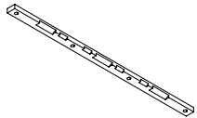

A = CORE CC*2 + H B = LARGEST WIDTH OF CORE STEEL C = 2 H = LARGEST WIDTH OF CORE STEEL

 | A | B | C | QTY | MATERIAL | DWG. NO. | QTY | MATERIAL
 | 800 | 160 | 2 | 4 | PB | CT-1956/08-2 | 1 | WOOD

 | WOODEN BLOCKS |  |  |  |  | WOODEN SUPPORT-BOTTOM
 |  |  |  |  |  | 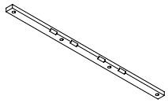
*WOODEN BLOCKS USED WHEN CENTER OF THE LAST 2 STEPS ARE EQUAL
A = CORE CC*2 - H - 4 B = (STP4 WIDTH - STP5 WIDTH)/2 C = STP5 BUILD

 | A | B | C | QTY | MATERIAL | DWG. NO. | QTY | MATERIAL
 | 316 | 45 | 8 | 4 | WOOD | CT-1956/08-3 | 3 | WOOD
 | 316 | 45 | 6 | 4 | WOOD

 | INS. BET. CLAMP & CORE - HV |  |  |  |  | STEPPED BLOCK-HV
 |  |  |  |  |  | 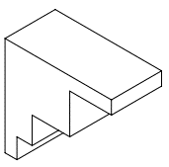

NEW DESIGN

 | DWG. NO. |  |  | QTY | MATERIAL | DWG. NO. | QTY | MATERIAL
 | CT-1956/08-3 |  |  | 2 | PB | CT-1956/08-1 | 2 | WOOD

 | INS. BET. CLAMP & CORE - LV |  |  |  |  | STEPPED BLOCK-LV

NEW DESIGN

 | DWG. NO. |  |  | QTY | MATERIAL | DWG. NO. | QTY | MATERIAL
 | CT-1956/08-3 |  |  | 2 | PB | CT-1956/08-1 | 2 | WOOD

TIE RODE SLEEVE
18 | 217.1 | 8 |  |  |  | YOKE INSULATION

NEW DESIGN

 |  |  |  |  |  | DWG. NO. | QTY | MATERIAL
 |  |  |  |  |  | CT-1956/08-1 | 6 | PB

AS-1
NEW DESIGN
INS. BET. LEAD & CORE |  |  |  |  | BETWEEN LEAD-CORE | WINDING SUPPORT INS.-TOP |  |  | CORNER CORE STICK |  |  |  |  |  | AXIAL SPACER - NEW |  |  |  |  |  |  |  |  |  |  |  |  |  | WOODEN STICKS
 |  |  |  |  |  | 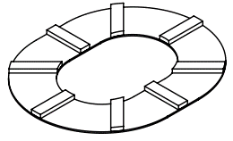 |  |  | 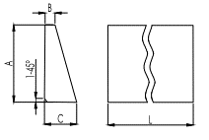 |  |  |  |  |  | 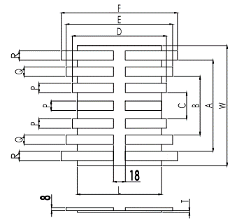 |  |  |  |  |  |  |  |  |  |  |  |  |  | 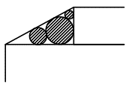
NEW DESIGN
According to ABB standards
NEW DESIGN
A = TOTAL COIL HEIGHT + (WH - COIL HEIGHT)/2 B = LV LEAD WIDTH + 10 C = CLEARANCE BETWEEN SSI & LV LEAD
L = CC - (ST1WIDTH + 4)
W = TOTAL BUILD + 40
T = (WINDOW HEIGHT - TOTAL COIL HEIGHT )/2 - 8
(T + 8) MIN. = 13
A = ST1 BUILD + ST2 BUILD + ST3 BUILD + 4
B = ST1 BUILD + ST2 BUILD + 4
C = ST1BUILD + 4
D = CC - (ST2WIDTH + 4)
E = CC - (ST3WIDTH + 4)
F = CC - (ST4WIDTH + 4)
P = ST2BUILD/4
Q = ST3BUILD/4
R = ST4BUILD/4

A | B | C | QTY | MATERIAL |  | DWG. NO. | QTY | MATERIAL | A | B | C | L | QTY | MATERIAL |  |  |  |  |  |  |  |  |  |  |  |  |  |  | ROD SIZE | LENGTH/WDG | LENGTH/TF
474 | 60 | 2 | 9 | PB |  | CT-1956/08-3 | 2 | EBONITE | 25 | 3 | 4 | 463 | 12 | WOOD |  |  |  |  |  |  |  |  |  |  |  |  |  |  | 8 | 3704 | 11112 | 465 | 24
650 | 70 | 1 | 3 | PB |  |  |  |  |  |  |  |  |  |  |  |  |  |  |  |  |  |  |  |  |  |  |  |  | 10 | 0 | 0 | 465 | 0
 |  |  | 3 |  |  |  |  |  |  |  |  |  |  |  |  |  |  |  |  |  |  |  |  |  |  |  |  |  | 12 | 0 | 0 | 465 | 0

WOODEN BLOCKS |  |  |  |  |  | WINDING SUPPORT INS.-BOTTOM |  |  |  |  |  |  |  |  | L | W | A | B | C | D | E | F | P | Q | R | T | QTY | MATERIAL
 |  |  |  |  |  | 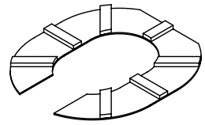 |  |  |  |  |  |  |  |  | 156 | 274 | 222 | 162 | 106 | 166 | 206 | 226 | 14 | 15 | 1 | -1 | 4 | PB
 |  |  |  |  |  |  |  |  |  |  |  |  |  |  |  |  |  |  |  |  |  |  |  |  |  |  |  |  | aH | bH | Alpha | cH | pH | Calc Size 1 | Calc Size 2 | Rod Size 1 | Rod Size 2 | Rod | Count
 |  |  |  |  |  |  |  |  |  |  |  |  |  |  |  |  |  |  |  |  |  |  |  |  |  |  |  |  |  |  |  |  |  |  |  |  |  | 8 | 2
*WOODEN BLOCKS ARE USED AS CORE STICKS **NEED TO IMPROVE
 |  |  |  |  |  |  |  |  |  |  |  |  |  |  |  |  |  |  |  |  |  |  |  |  |  |  |  |  | 5 | 28 | 0.17670885607 | 28.442925307 | 70 | 5.5570746933 | 1.9937205782 | N/A | N/A | 10 | 0
 |  |  |  |  |  |  |  |  |  |  |  |  |  |  |  |  |  |  |  |  | AXIAL WOODEN BLOCK |  |  |  |  |  |  |  | 20 | 30 | 0.58800260355 | 36.055512755 | 300 | 14.944487245 | 6.0036557832 | 14 | N/A | 12 | 0
 |  |  |  |  |  |  |  |  |  |  |  |  |  |  |  |  |  |  |  |  | 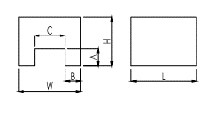 |  |  |  |  |  |  |  | 10 | 0.05 | 1.5657963685 | 10.000124999 | 0.25 | 1.0498750008 | 1.04962625 | N/A | N/A
L = (CC - ST1WIDTH)/2 - 10
W = 2B + C
H= (WINDOW HEIGHT - TOTAL COIL HEIGHT )/2 + A
A = 20
B = 15
C = CLAMP DEPTH + 2
 |  |  |  |  |  |  |  |  |  |  |  |  |  |  |  |  |  |  |  |  |  |  |  |  |  |  |  |  | 45 | 8 | 1.3948567013 | 45.705579528 | 180 | 8.2944204719 | 7.1162107599 | 8 | 8

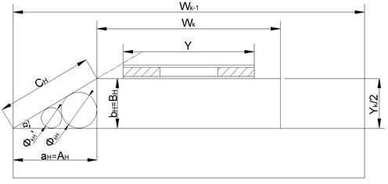
A | B | C | QTY | MATERIAL |  | DWG. NO. | QTY | MATERIAL
 |  |  |  |  |  | CT-1956/08-3 | 2 | EBONITE

 |  |  |  |  |  |  |  |  |  |  |  |  |  |  |  |  |  |  |  |  | L | W | H | A | B | C | QTY | MATERIAL
PRESSBOARD SPACER |  |  |  |  | BETWEEN CORE-WINDING | INS. BETWEEN FOOT & CORE |  |  |  |  |  |  |  |  |  |  |  |  |  |  | 70 | 92 | 29 | 20 | 15 | 62 | 4 | WOOD
 |  |  |  |  |  | 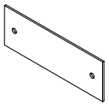

*PRESSBOARD SPACERS USED TO FILL THE GAP BETWEEN CORE & WINDING
A = TOTAL HEIGHT OF THE COIL
B = STP1 BUILD - 5
C = 2 **NEED TO IMPROVE

L = CC - (ST1WIDTH + 4)
W = TOTAL BUILD + 40
T = (WINDOW HEIGHT - TOTAL COIL HEIGHT )/2 - 8
(T + 8) MIN. = 13
A = ST1 BUILD + ST2 BUILD + ST3 BUILD + 4
B = ST1 BUILD + ST2 BUILD + 4
C = ST1BUILD + 4
D = (CC - (ST2WIDTH + 4))/2-9
E = (CC - (ST3WIDTH + 4))/2-9
F = (CC - (ST4WIDTH + 4))/2-9
P = ST2BUILD/2
Q = ST3BUILD/2
R = ST4BUILD/2
 |  |  |  |  |  |  |  |  |  |  |  |  |  |  | AXIAL SPACER HALF - NEW
 |  |  |  |  |  |  |  |  |  |  |  |  |  |  | 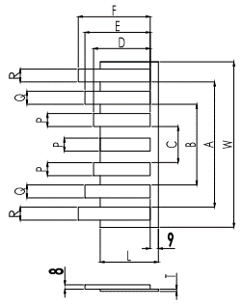
A | B | C | QTY | MATERIAL |  | DWG. NO. | QTY | MATERIAL
465 | -10 | 2 | 12 | PB |  | CT-1956/08-3 | 2 | PB

INTERPHASE INS. |  |  |  |  |  | INS. BETWEEN LIF. TR. & CORE
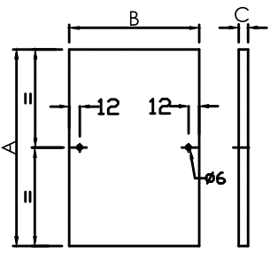 |  |  |  |  |  | 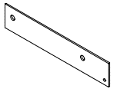

A = TOTAL HEIGHT OF THE COIL + 10 B = OD AT CORE HV/LV SIDE + 20 C → (11,22)kV = 2 / 33kV = 2x2

A | B | C | QTY | MATERIAL |  | DWG. NO. | QTY | MATERIAL |  |  |  |  |  |  | L | W | A | B | C | D | E | F | P | Q | R | T | QTY | MATERIAL
475 | 331.8 | 2 | 4 | PB |  | CT-1956/08-3 | 2 | PB |  |  |  |  |  |  | 78.0 | 274 | 222 | 162 | 106 | 74.0 | 94.0 | 104.0 | 28 | 30 | 1 | -1 | 4 | PB

WOODEN BLOCKS |  |  |  |  |  | AXIAL SPACER
*WOODEN USED INBETWEEN 2 WOODEN SUPPORTS ABOVE 1000kVA
A = DISTANCE INBETWEEN CLAMPS + 40
B = 60 C = THICKNESS OF WOODEN SUPPORT

A | B | C | QTY | MATERIAL |  | DWG. NO. | QTY | MATERIAL
272.1 | 60 | -20 | 2 | WOOD |  | CT-1956/08-3 | 4 | PB

CORE CORNER STRIP |  |  |  |  |  | STRAP SUPPORT
643 |  |  |  |  |  | 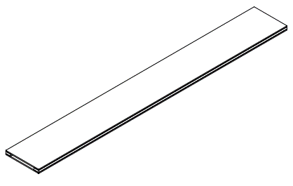

NEW DESIGN

 |  |  |  |  |  | DWG. NO. | QTY | MATERIAL
 |  |  |  |  |  | CT-1956/08-3 | 6 | PB

 |  |  |  |  |  | AXIAL WOODEN SUPPORT
 |  |  |  |  |  | 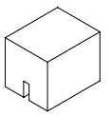

NEW DESIGN

 |  |  |  |  |  | DWG. NO. | QTY | MATERIAL
 |  |  |  |  |  | CT-1956/08-3 | 4 | WOOD

AS-2
 | ASSEMBLY INSULATIONS |  |  |  |  | E BLOCK |  |  |  |  |  |  |  |  | TAPPING BOARD SUPPORT |  |  |  |  |  |  | TAPPING BOARD
 |  |  |  |  |  | 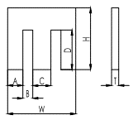 |  |  |  |  |  |  |  |  | 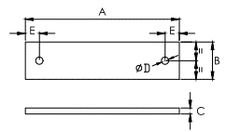
W = 2A + 2B + C
A → Lead width>75,20 Lead width<15
B = Lead Thickness + 1
C = Busbar Gap - 2
D = Lead Width + 15
H = D + 25
T = 6
NEW DESIGN
A = Total Build*0.2 + LV RB + HV RB + Barrier + 2*E B = 40
C = 6
D = 12
E = 20

NEW DESIGN LV SIDE
A = CORE CC*2 + STEP 1 WIDTH + 60 B = STEP 1 WIDTH + 60 C = 4

NEW DESIGN DELTA & TAPPING
A = CORE CC*2 + STEP 1 WIDTH + 60 B = STEP 1 WIDTH + 20 C = 4
 | A | B | C | QTY | MATERIAL | A | B | C | D | W | H | T | QTY | MATERIAL | A | B | C | D | E | QTY | MATERIAL | L | W | T | A | B | C | D | E | F | G | H | I | J | K | P | QTY | MATERIAL
INS. BETWEEN LEAD & CLAMP | 860 | 220 | 4 | 1 | PB | 15 | 7 | 44 | 65 | 88 | 90 | 6 | 6 | PB | 184 | 40 | 6 | 12 | 30 | 2 | PB | 404 | 50 | 6 | 8 | 10 | 14 | 25 | -144 | 30 | 206 | 30 | 112 | 30 | -160 | 25 | 1 | PB
INS. INBETWEEN LEADS | 860 | 220 | 4 | 1 | PB | 15 | 7 | 44 | 65 | 88 | 90 | 6 | 4 | PB
INS. BETWEEN LEAD & TANK | 860 | 220 | 2 | 1 | PB
INS. BETWEEN DELTA & CLAMP | 800 | 180 | 4 | 1 | PB
INS. BETWEEN DELTA & TAPPING | 860 | 180 | 2 | 1 | PB
INS. BETWEEN TAPPING & TANK | 860 | 220 | 2 | 1 | PB
ADDITIONAL PB-1
ADDITIONAL PB-2
ADDITIONAL PB-3 |  |  |  |  |  |  |  |  |  |  |  |  |  |  |  |  |  |  |  |  |  | TAPPING BOARD

 |  |  |  |  |  |  |  |  |  |  | 1074

 |  |  |  |  |  |  |  |  |  |  |  |  |  |  |  |  |  |  |  |  |  | L | W | T | A | B | C | D | E | F | G | H | I | J | K | P | QTY | MATERIAL
 |  |  |  |  |  |  |  |  |  |  |  |  |  |  |  |  |  |  |  |  |  | 834 | 50 | 6 | 8 | 10 | 14 | 25 | 71 | 30 | 206 | 30 | 112 | 30 | 55 | 240 | 1 | PB

 |  |  |  |  |  |  |  |  |  |  |  |  |  |  |  |  |  |  |  |  |  |  |  |  |  |  | 368

Ratio
C
 |  | TAP POSITION | LOWER MARGIN | VALUE | UPPER MARGIN |  | HV Line Voltage | = | 6600 | V
 |  |  |  |  |  |  | LV Line Voltage | = | 415 | V
1 |  | 1 | 28.78 | 28.92 | 29.07 | 694 | Vector Group | = | Dyn5
 |  |  |  |  |  |  | Above the nominal | = | 2
2 |  | 2 | 28.09 | 28.23 | 28.38 | 677 | Below the nominal | = | 2 | (Total should be maximum 7 including nominal) |  | hgfhf
 |  |  |  |  |  |  | Step | = | 2.5 | %
3 |  | 3 | 27.41 | 27.55 | 27.68 | 661
 |  |  |  |  |  |  |  |  |  | HV | LV
4 |  | 4 | 26.72 | 26.86 | 26.99 | 644 | Ratio | = | 27.545868265 | DELTA | STAR
 |  |  |  |  |  |  |  |  |  | 6600 | 239.60036171
5 |  | 5 | 26.04 | 26.17 | 26.30 | 628
 |  |  |  |  |  |  | Nominal is at | = | 3
6 |  |  |  |  |  | #VALUE!

7 |  |  |  |  |  | #VALUE!

 | YNyn0 | 1
 | Dd0 | 2
 | YNd1 | 3
 | Dyn1 | 4
 | Dd2 | 5
 | Dd4 | 6
 | YNd5 | 7
 | Dyn5
 | YNyn6
 | Dd6
 | YNd7
 | Dyn7
 | YNd11
 | Dyn11
 | Dd8
 | Dd10
 | "
 | D
 | d

